Directions
This workbook contains two sheets.
- The yellow tab is all of the elementary data as of Sept. 26.
- The green tab is a space in which you can filter the data.
For example, clicking on a site will limit your view to just that site's information. To select multiple sites just hold the Ctl button while continuing to make your selections. The same is true for selecting the gradelevel or classroom total.
To clear your selections click the clear filter icon found in the top right of each category.
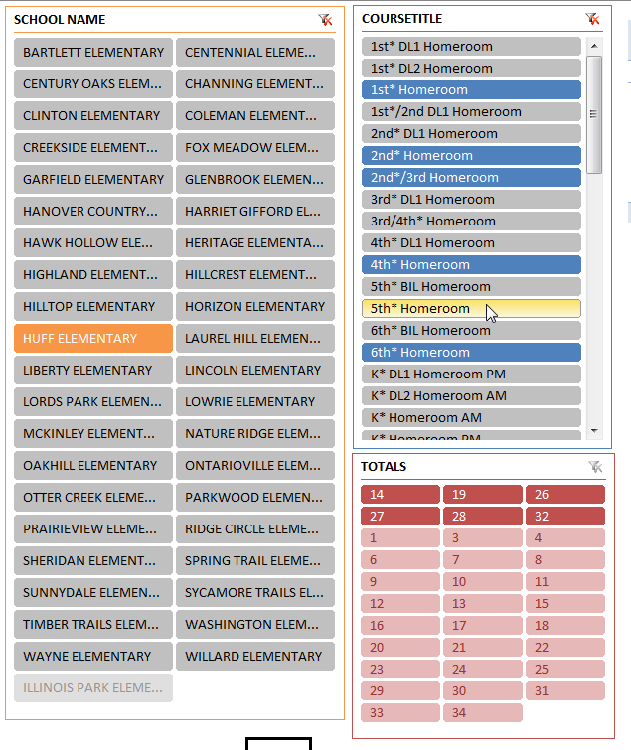

Clear filter icon

Hold down the Ctl button to make multiple selections.

